Mind Maps
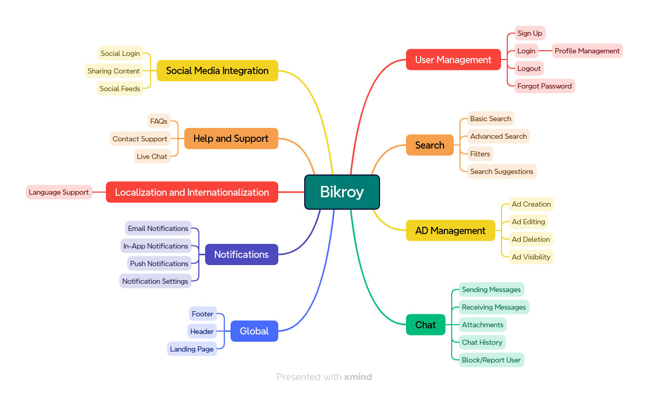

Test Plan
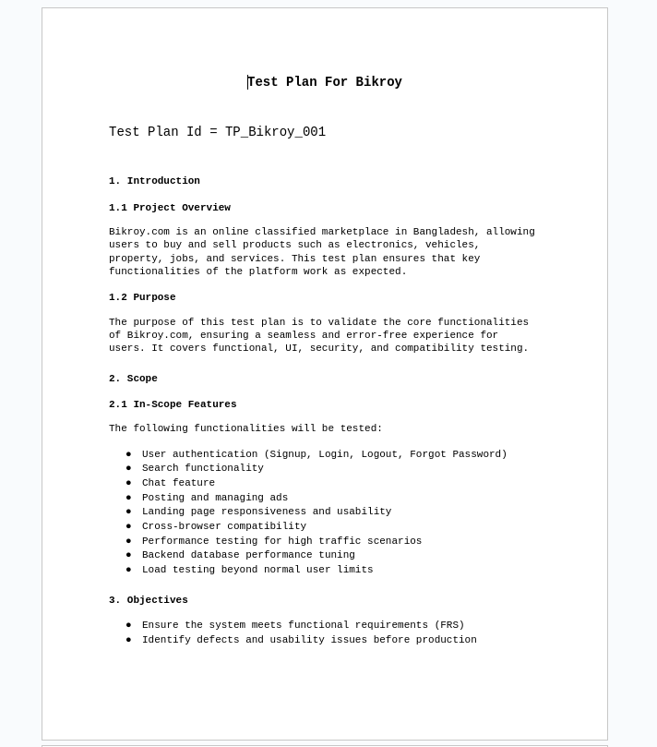
Test Plan | Bikroy_Test Plan

Test Summary Report
Test Case Report |  |  |  |  |  | Result :
Project Name | Bikroy
Module Name |  |  |  |  |  | Total No. | Status | New Features:- | Testing Scope:-
Feature Name
Test Case Version |  |  |  |  |  | 87 | PASS
Written By | Mohammed Wasik |  |  |  |  | 30 | FAIL
Executed By | Mohammed Wasik |  |  |  |  | 0 | Not Executed
Reviewed By | Ehsanul Alam Sabbir |  |  |  |  | 0 | Out of Scope
TEST EXECUTION REPORT
 |  |  |  |  |  | Testing Environment : Google Chrome Browser
Test Case | PASS | FAIL | Not Executed | Out Of Scope | Total TC
 | 87 | 30 | 0 | 0 | 117
Test Case Report
Grand Total | 87 | 30 | 0 | 0 | 117

LIMITATIONS
Documents |  |  |  | Received | Useful
PRD |  |  |  | No | No
USER STORY |  |  |  | No | No

 | Testing Type in Scope | Description

Yes/ No. Justification (If No): | Functional Testing | This type of testing ignores the internal parts and focuses only on the output to check if it is as per the requirement or not.

Yes/ No. Justification (If No): | Integration Testing | Testing of all integrated modules to verify the combined functionality after integration is termed as Integration Testing.

Yes/ No. Justification (If No): | Negative Testing | Testing having the mindset of “attitude to break” using incorrect data and invalid inputs.

Yes/ No. Justification (If No): | Usability Testing | Test application from user friendliness perspective.

Yes/ No. Justification (If No): | Browser Compatibility Testing | Browser Compatibility Testing is performed for web applications and it ensures that the software can run with the combination of different browser and operating system. This type of testing also validates whether web application runs on all versions of all browsers or not.

Yes/ No. Justification (If No): | Boundary Value Testing | There is an upper and lower boundary for each range and testing is performed on these boundary values.

Yes/ No. Justification (If No): | Risk Based Testing Or Regression Testing | Risk-Based Testing includes testing of highly critical functionality, which has the highest impact on business and in which the probability of failure is very high. Testing an application as a whole for the modification in any module or functionality is termed as Regression Testing.

Bug Report
Bug ID | Description/Summary | Steps to Reproduce | ENV | Module | Expected Result | Severity | Priority | Screenshot | Responsible QA
BI_001 | Password and confirm password field have no visible icon to toggle visibility | 1.Go to https://bikroy.com/en 2.Click on login button at the top right corner 3.Click on continue with email 4.click on sign up | Browser: Google Chrome Version:Version 133.0.6943.126 (Official Build) (64-bit) OS: 6.12.12-2-MANJARO | User Management | Fields should have button to toggle passoword visibility | Low | Low | 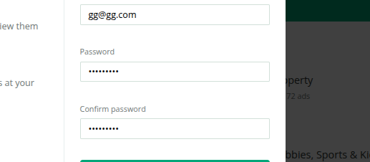 | Mohammed Wasik
BI_002 | Email field should show valid error message for invalid email "username@-domain.com" this email should not be allowed as - after @ is not allowed | 1.Go to https://bikroy.com/en 2.Click on login button at the top right corner 3.Click on continue with email 4.click on sign up 5. Type "username@-domain.com" in email field | Browser: Google Chrome Version:Version 133.0.6943.126 (Official Build) (64-bit) OS: 6.12.12-2-MANJARO | User Management | Fields should have Valid error message | Low | Low | 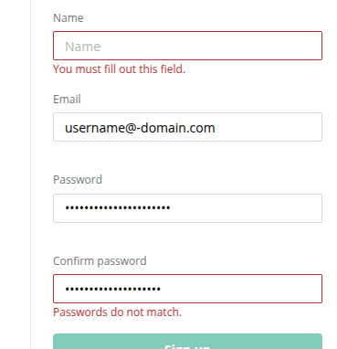
BI_003 | Email field should show valid error message for invalid email "111111" this email should not be allowed as it not according to industry security standard Password field also allows the email or username to be used as password It will even take a long essay as password | 1.Go to https://bikroy.com/en 2.Click on login button at the top right corner 3.Click on continue with email 4.click on sign up 5. Type "111111" in email field | Browser: Google Chrome Version:Version 133.0.6943.126 (Official Build) (64-bit) OS: 6.12.12-2-MANJARO | User Management | Fields should have Valid error message like "Please choose a more secure password. It should be longer than 6 characters, unique to you and difficult for others to guess. " | Medium | Low | 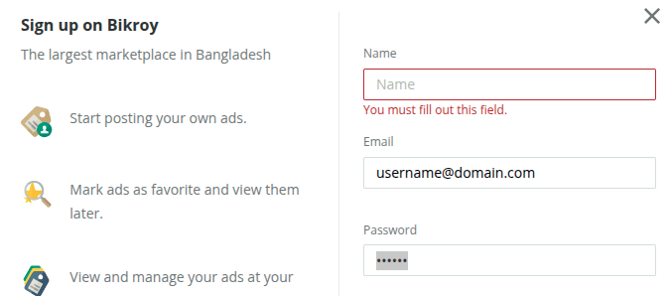
BI_004 | After signing up no email is sent | 1.Go to https://bikroy.com/en 2.Click on login button at the top right corner 3.Click on continue with email 4.click on sign up 5. Type valid credential 6.click signup | Browser: Google Chrome Version:Version 133.0.6943.126 (Official Build) (64-bit) OS: 6.12.12-2-MANJARO | User Management | User should get an email | Medium | Medium
BI_005 | Password field have no visible icon to toggle visibility | 1.Go to https://bikroy.com/en 2.Click on login button at the top right corner | Browser: Google Chrome Version:Version 133.0.6943.126 (Official Build) (64-bit) OS: 6.12.12-2-MANJARO | User Management | Fields should have button to toggle passoword visibility | Low | High | 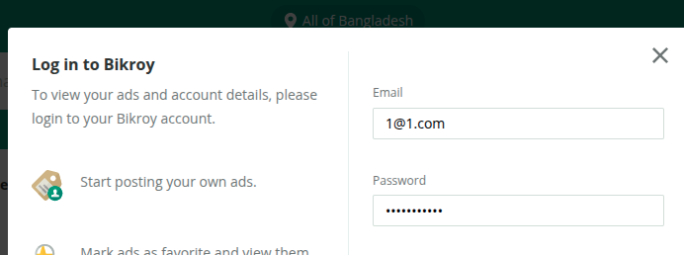
BI_006 | Email field should show valid error message for invalid email "username@-domain.com" this email should not be allowed as - after @ is not allowed | 1.Go to https://bikroy.com/en 2.Click on login button at the top right corner | Browser: Google Chrome Version:Version 133.0.6943.126 (Official Build) (64-bit) OS: 6.12.12-2-MANJARO | User Management | Fields should have Valid error message | Medium | Medium | 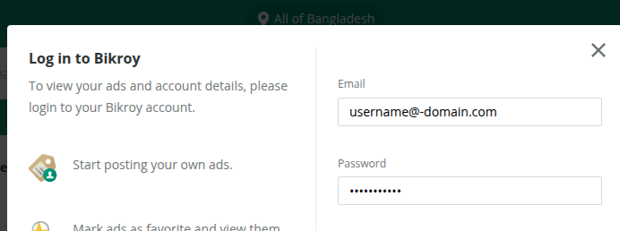
BI_007 | There should be a checkbox for the user to opt in to stay logged in. currently there are no option for the user to opt in or opt out of being logged in | 1.Go to https://bikroy.com/en 2.Click on login button at the top right corner | Browser: Google Chrome Version:Version 133.0.6943.126 (Official Build) (64-bit) OS: 6.12.12-2-MANJARO | User Management | Form should have checkbox like remember me | Medium | High | 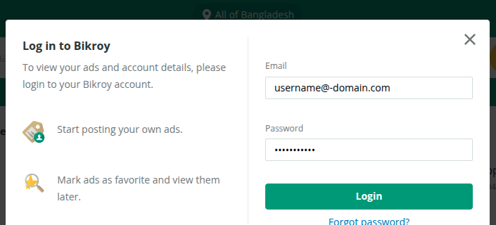
BI_008 | The logout button is inside setting which might not be intuitive for an user to find out | 1.Go to https://bikroy.com/en 2.Click on login button at the top right corner 3.login with valid credentials 4.top right corner go to account 5.go to settings from left navbar | Browser: Google Chrome Version:Version 133.0.6943.126 (Official Build) (64-bit) OS: 6.12.12-2-MANJARO | User Management | logout button should be in an intuitive place like a dropdown box from my account | Low | Medium | 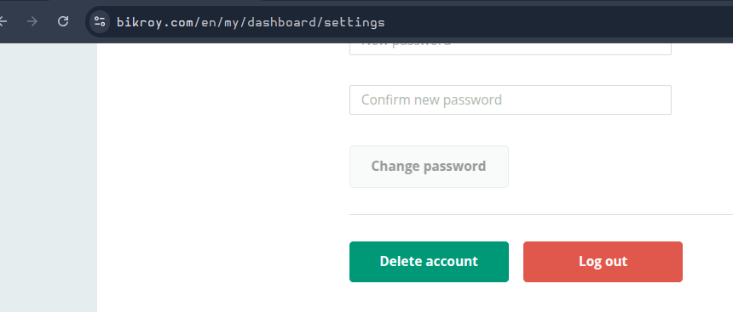
BI_009 | After submitting request for forget password no email is received | 1.Go to https://bikroy.com/en 2.Click on login button at the top right corner 3.Click on continue with email 4.click on sign up 5. click forgot password 6.enter email and submit | Browser: Google Chrome Version:Version 133.0.6943.126 (Official Build) (64-bit) OS: 6.12.12-2-MANJARO | User Management | User should get an email | High | High
BI_010 | After signing up the chat window shows an error. it persists untill i logout and login again. after i logout and i login back again it works. but the first time it does not work | 1.Go to https://bikroy.com/en 2.Click on login button at the top right corner 3.signup with valid credentials 4.go to chat | Browser: Google Chrome Version:Version 133.0.6943.126 (Official Build) (64-bit) OS: 6.12.12-2-MANJARO |  | User should be able to use the chat function | High | Critical | 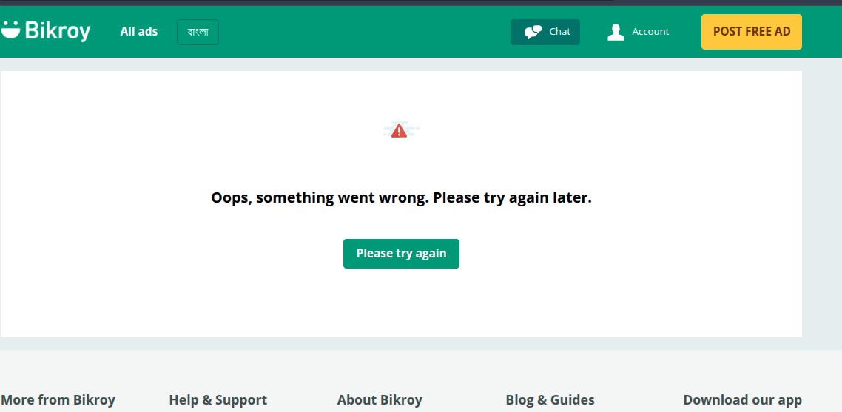
BI_011 | After sending a text we should be able to delete the text. right now there are not functionality to delete the sent text | 1.Go to https://bikroy.com/en 2.Click on login button at the top right corner 3.signup with valid credentials 4.go to an add 5. send a text | Browser: Google Chrome Version:Version 133.0.6943.126 (Official Build) (64-bit) OS: 6.12.12-2-MANJARO |  | User should be able to delete the text | High | High | 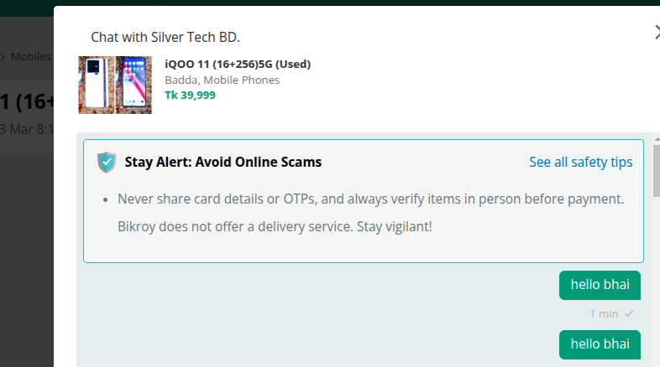
BI_012 | After sending a text user should be stopped till a reply comes or a way to stop spamming | 1.Go to https://bikroy.com/en 2.Click on login button at the top right corner 3.signup with valid credentials 4.go to an ad 5. send a lots of text | Browser: Google Chrome Version:Version 133.0.6943.126 (Official Build) (64-bit) OS: 6.12.12-2-MANJARO |  | User should not be able to spam | High | High
BI_013 | After filling all required detailed user is not able to post ad. all visible required field has been entered but still not ablt to go forward with post ad button as it is still disabled and not telling me what is wrong | 1.Go to https://bikroy.com/en 2.Click on login button at the top right corner 3.signup with valid credentials 4.click on post free ad 5. click on sell an item 6. click on mobiles then mobile phone 7.select dhaka | Browser: Google Chrome Version:Version 133.0.6943.126 (Official Build) (64-bit) OS: 6.12.12-2-MANJARO |  | User should get advice on what else is needed. if the phone number is required it should say so | High | High | 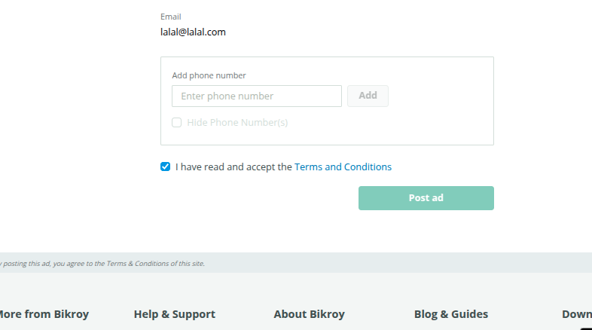
BI_014 | when changing the language to bangla the button allignment gets changed. it should be on same height as yellow button | 1.Go to https://bikroy.com/en | Browser: Google Chrome Version:Version 133.0.6943.126 (Official Build) (64-bit) OS: 6.12.12-2-MANJARO |  | both button should be alligned at the smae height | Low | Medium | 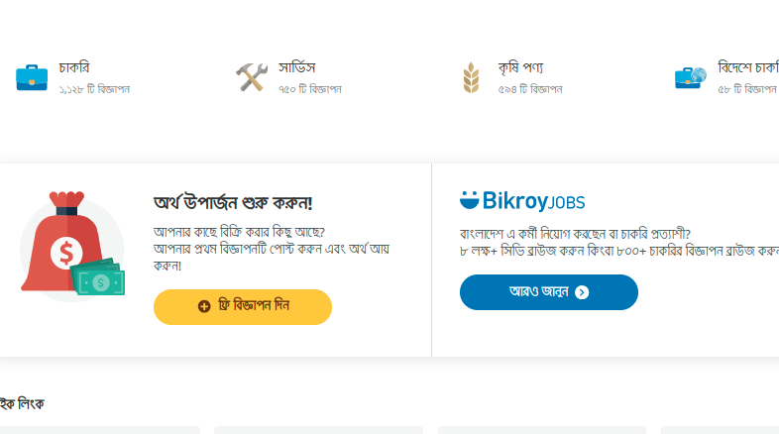
BI_015 | Clicking on back to bikroy goes to all add instead of landing page | 1.Go to https://bikroy.com/en/jobs | Browser: Google Chrome Version:Version 133.0.6943.126 (Official Build) (64-bit) OS: 6.12.12-2-MANJARO |  | Back to bikroy should redirect to landing page of bikroy on all ads | Low | Medium
BI_016 | There is an empty div on the landing page | 1.Go to https://bikroy.com/en/jobs | Browser: Google Chrome Version:Version 133.0.6943.126 (Official Build) (64-bit) OS: 6.12.12-2-MANJARO |  | this div should have a banner instead it is empty | Low | Low
BI_017 | User can not sign up with deleted email. error shows email is still in use | 1.Go to https://bikroy.com/en 2.Click on login button at the top right corner 3.Click on continue with email 4.click on sign up | Browser: Google Chrome Version:Version 133.0.6943.126 (Official Build) (64-bit) OS: 6.12.12-2-MANJARO |  | User should be able to sign up. | High | High | 